Court Samples
Sample Court Types Explained

 | 4-Wall Court (40x20) |  | 1-Wall Court (Indoor) | 1-Wall Court (Outdoor)
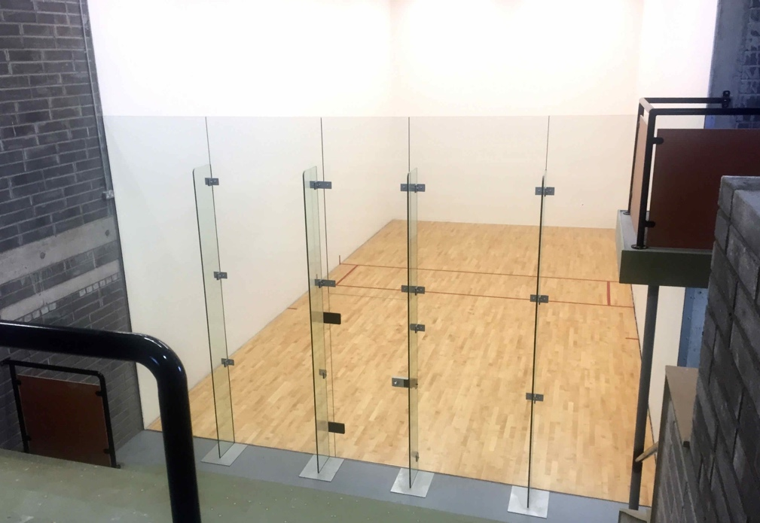
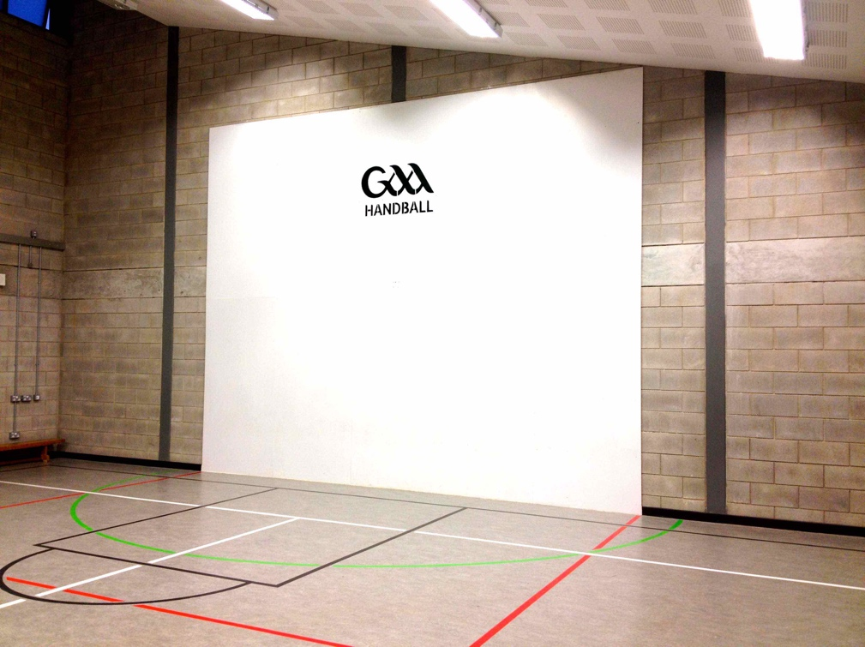
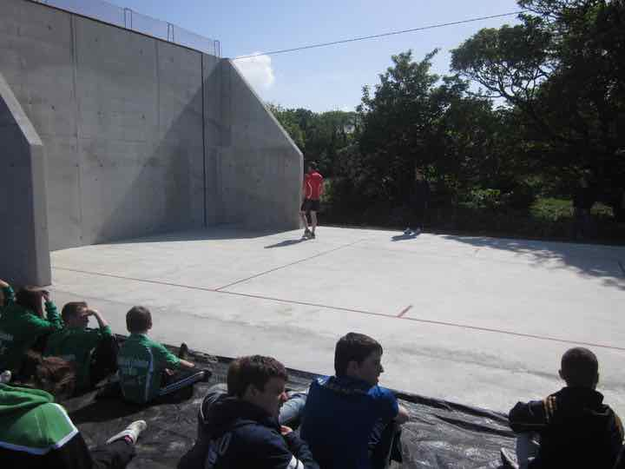

 | 60x30 Court (Indoor) |  | 60x30 Court (Outdoor)
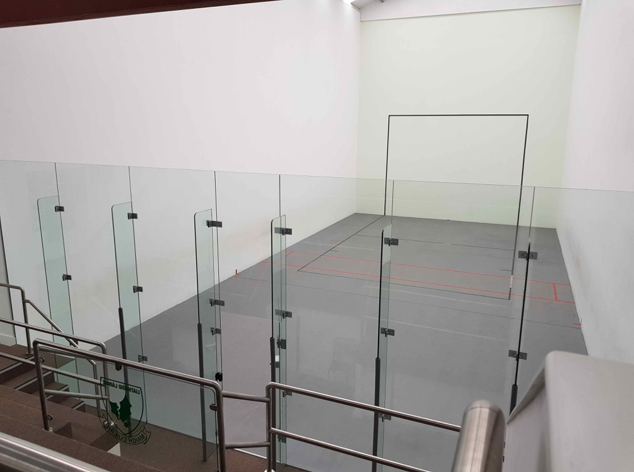
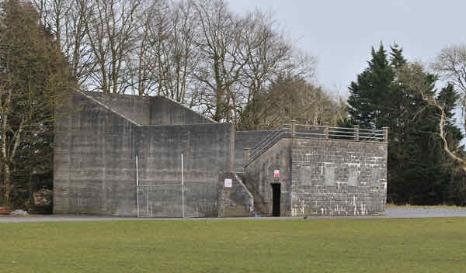

Key
GAA Handball Club |  | Primary
GAA Club Grounds |  | Secondary
Leisure Centre |  | 3rd Level
Community Centre
Other

Active
Not Active

